Test Plan
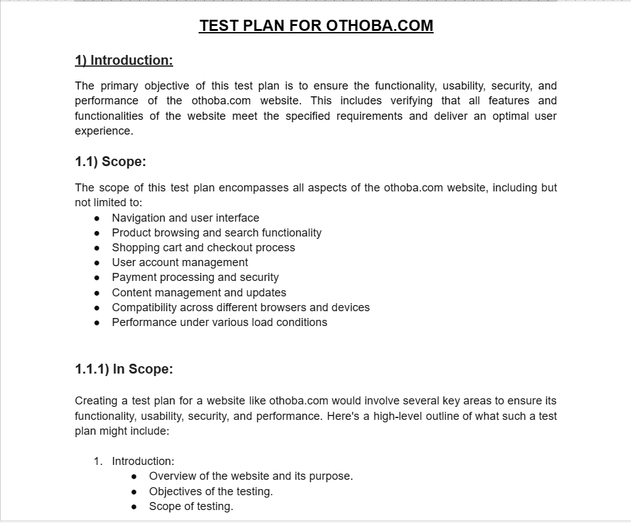

Please Click Here to show my testplan full PDF.

Mind Maps
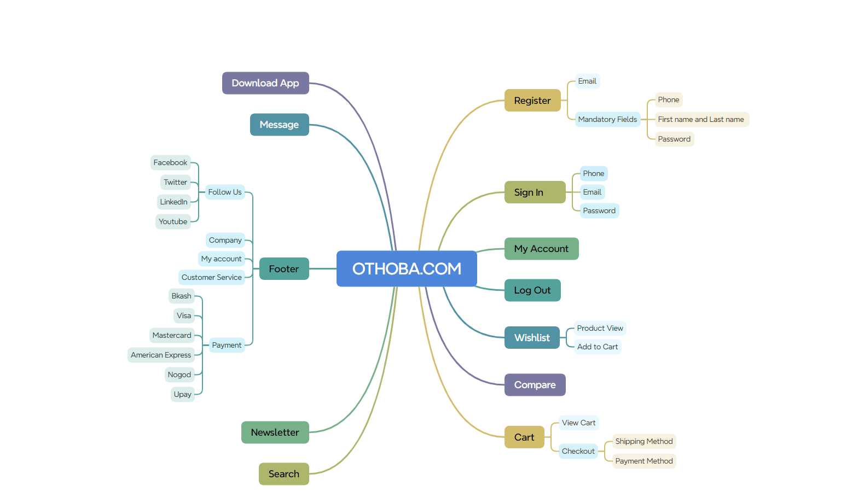

Test Summary Report
Test Case Report |  |  |  |  |  |  | Result :
Project Name | Othoba.com
Module Name | My account |  |  |  |  | Total No. | Status
Feature Name | Sign in,sign up,header,footer,cart,search,forgot password,payment
Test Case Version | 1 |  |  |  |  | 109 | PASS
Written By | Sheikh Sadi |  |  |  |  | 5 | FAIL
Executed By | Sheikh Sadi |  |  |  |  | 0 | Not Executed | New Features:- | Testing Scope:- | Testing Environment :Google Chrome Browser
Reviewed By | Ehsanul Alam Sabbir (Sr.SQA Engineer Level-III, Viva Soft Ltd) |  |  |  |  | 0 | Out of Scope
TEST EXECUTION REPORT
Test Case Report
Test Case | PASS | FAIL | Not Executed | Out Of Scope | Total TC
 | 109 | 5 | 0 | 0 | 114
Grand Total | 109 | 5 | 0 | 0 | 114

LIMITATIONS
Documents |  |  |  | Received | Useful
PRD |  |  |  | No | No
USER STORY |  |  |  | No | No

 | Testing Type in Scope | Description

Yes/ No. Justification (If No): | Functional Testing | This kind of testing finds whether software is operating in compliance with preset requirements.

Yes/ No. Justification (If No): | Integration Testing | It is the process of testing how different modules or components of your software work together.

Yes/ No. Justification (If No): | Negative Testing | This testing checks a system for unexpected or invalid input data and conditions.

Yes/ No. Justification (If No): | Usability Testing | That is done from an end user’s perspective to determine if the system is easily usable.

Yes/ No. Justification (If No): | Browser Compatibility Testing | Examines and compares functionality over multiple browsers, devices, platforms, and OS to recognize potential discrepancies.

Yes/ No. Justification (If No): | Boundary Value Testing | It is based on testing the boundary values of valid and invalid partitions.

Yes/ No. Justification (If No): | Risk Based Testing Or Regression Testing | Risk based testing focuses on identifying and prioritizing high-risk areas of the software applications being tested. Regression Testing is defined as a type of software testing to confirm that a recent program or code change has not adversely affected existing features.

